Intro
STAKEHOLDER MANAGEMENT TOOL
INSTRUCTIONS AND NOTES

Purpose

This Stakeholder Register is design to support the stakeholder management process for rezoning projects within Council Strategic Planning Teams

How This Document Should Be Used
This register should be used to support rezoning projects identify, manage and monitor project costs.
Each project should identify stakeholders required for the specific Planning Proposal
Suggest having a stakeholder workshop, if possible to identifiy as many stakeholders as possible and to begin to categorise them

Additional Instructions
This register is structured to be used as a "live" document and updated on a regular basis through the project.
The level of status reporting is subject to the expectation of the business and/or project sponsor (or relevant PMO). Some projects may have other separate reporting requirements.
For enquiries, support, training and general coaching in stakeholder management or project management, please contact:
- Council Stakeholder Management Team

Stakeholder Engagement Matrix
Stakeholder Engagement Schedule
Project Name: | XX

Project Description
[Insert project description]

INTERNAL STAKEHOLDERS
Stakeholder | Stakeholder Category | Contact Information | Area of Influence | Comm. Frequency | Comm. Method | Stakeholder Manager | Response Required | Response Received | Meeting Dates | Notes
General Manager | Cat 2 | 0411 111 111 resource@council.nsw.gov | Reviews and recommends for endorsement by Council | Monthly | In person presentation, monthly dashboard report | Resource 1 | Yes | No
Councillors | Cat 2 | 0411 111 111 resource@council.nsw.gov | Signs off final endorsement of PP prior to issuing to DPE and making the LEP. | As required | In person presentation, Councillor Briefing | Resource 2 | Yes | No
City Economy Team | Cat 3 | 0411 111 111 resource@council.nsw.gov | Employment concerns need to be addressed in proposed PP. Team's support required to justify proposed employment floorspace. | Weekly | Email and phone correspondence, monthly dashboard report | Resource 3 | Yes | Yes
Traffic Engineering Team | Cat 2 | 0411 111 111 resource@council.nsw.gov | Larger traffic network impacts need to be considered and addressed in PP. Keep team informed of traffic modelling requirements set by TfNSW and provisions made for traffic infrastructure. | Weekly | In person meetings, email and phone correspondence, monthly dashboard report | Resource 4 | Yes | No
Stormwater Engineering Team | Cat 2

EXTERNAL STAKEHOLDERS (GOVERNMENT)
Stakeholder* | Categorisation | Contact Information | Area of Influence | Comm. Freq. | Comm. Method | Stakeholder Manager | Response Required | Response Received | Meeting dates | Notes
Department of Planning and Environment | Cat 1 | 0411 111 111 resource@dpe.nsw.gov | Major stakeholder heavily involved in the LEP making process. | Weekly | In person meetings, email and phone correspondence, monthly dashboard report | Resource 1 | Yes | Yes
Transport for NSW | Cat 1 | 0411 111 111 resource@tfnsw.nsw.gov | Will have concerns regarding larger network impacts and will influence traffic modelling requirements for the PP. | Monthly | In person meetings, email and phone correspondence | Resource 2 | Yes | No | 2/6/22 | Planning proposal introduced and scope for traffic study agreed
Rural Fire Service | Cat 2 | 0411 111 111 resource@rfs.nsw.gov | Need to be kept informed of the PP and the process. Low interest and influence | Quarterly | Email and phone correspondence | Resource 3 | Yes | Yes | 12/6/2021 3/5/22 | No major issues raised wth proposal
State Emergency Service | Cat 2 | 0411 111 111 resource@ses.nsw.gov | Need to be regularly informed of PP and the process. Moderate interest but low influence. | Monthly | Email and phone correspondence | Resource 4 | Yes | No

EXTERNAL STAKEHOLDERS (COMMUNITY / OTHER)
Stakeholder | Categorisation | Contact Information | Area of Influence | Comm. Freq. | Comm. Method | Stakeholder Manager | Response Required | Response Received | Meeting dates | Notes
Car Park Rezoning Action Group | Cat 3 | person@CPRAG.com | Group supportive of proposed PP. Need to be kept informed of the PP and process moving forward. Moderate interest but low influence. | Monthly | Email and phone correspondence | Resource 3 | No | Yes
'Friends of' groups | Cat 1 |  |  |  |  |  | No | Yes
Neighbouring landowners | Cat 3 |  |  |  | letter to be issued with key updates |  | No | Yes
 | Cat 1
 | Cat 1
 | Cat 1

* The above listed stakeholders and requirements for consultation should have been addressed pre-lodgement of the PP.
Requirements for consultation are available here https://www.planning.nsw.gov.au/Plans-for-your-area/Local-Planning-and-Zoning

Stakeholder Categorisation
STAKEHOLDER CATEGORISATION MAP

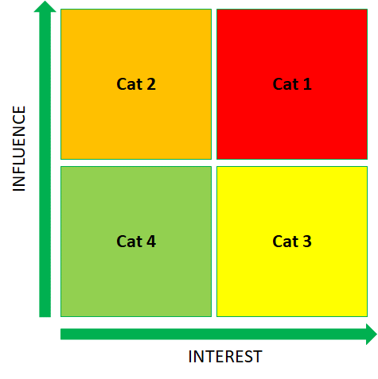

 | Guidance on prioritising and engaging with stakeholders by category

 |  | Category | Engagement approach
 |  | Cat 1 | Involve Extensively. As the stakeholders with the greatest interest and influence, this category must be heavily involved in the project. Provide these stakeholders with regular updates and opportunities for input and feedback.

 |  | Cat 2 | Address concerns. It is important to prioritise the concerns of this group to avoid negative project impacts. Given this group's potential to influence the project, efforts should be made to increase their level of engagement and move them to Category 1. This group should be updated regularly and feedback should be sought prior to important decisions.

 |  | Cat 3 | Involve as needed. As interested but less influential stakeholders, this group should be regularly updated on the project and involved as needed by the project team.

 |  | Cat 4 | Provide key information only. With a low level of interest and influence, this group should be monitored and informed via general communications.

